Sheet1
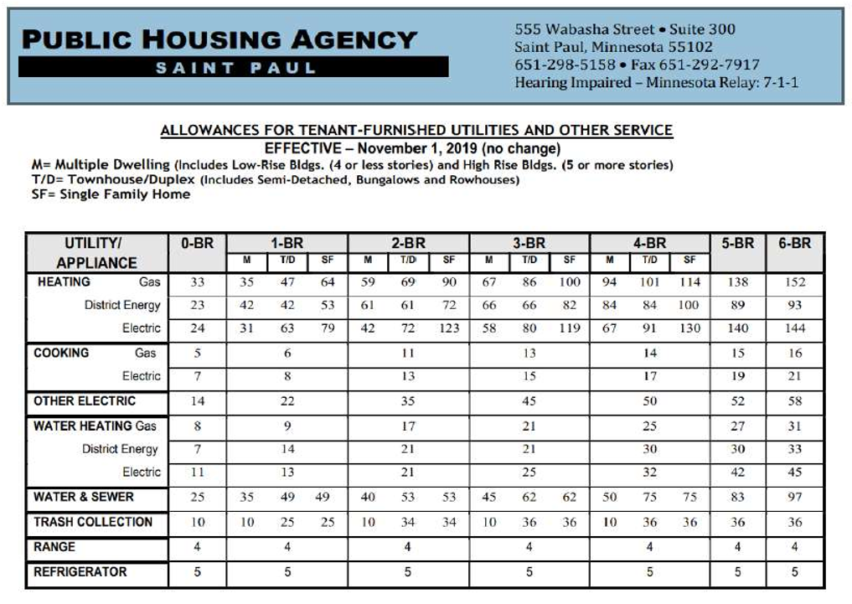
SAINT PAUL 4D AFFORDABLE HOUSING INCENTIVE PROGRAM
4D PROGRAM RENT ROLL
 |  |  |  | Luke Odenthal, 4d Program Coordinator
 |  |  |  | 651-266-6647 - luke.odenthal@stpaul.gov
ATTACHMENT A TO THE 4D PROGRAM APPLICATION |  |  |  | 25 West 4th Street, Saint Paul MN 55102

ENROLLMENT YEAR: |  | 2022 | 2021-2022 4D PROGRAM RENT LIMITS* (Monthly)
OWNER: |  |  | Unit Size |  | Maximum Rent | Maximum Rent
 |  |  | (# of Bedrooms) |  | 50%AMI | 60%AMI
PROPERTY ADDRESS: |  |  | Studio/Efficiency 0BR |  | $918 | $1,101
 |  |  | 1BR |  | $984 | $1,180
PARCEL ID NUMBER (PIN): |  |  | 2BR |  | $1,181 | $1,417
 |  |  | 3BR |  | $1,363 | $1,635
TOTAL UNITS: |  |  | 4BR |  | $1,521 | $1,825
# DESIGNATED 4D UNITS: |  |  | *4d Rent Limits must include allowances for any utility that the tenant is directly responsible for paying. These allowances are listed in the Utilities Allowances chart below and in the 4d Program Guidelines at www.stpaul.gov/4d.
% OF 4D UNITS AT 50%AMI:
% OF 4D UNITS AT 60%AMI:
CURRENT UNIT/RENTAL INFORMATION
UNIT NUMBER | # OF BEDROOMS | BEDROOM SIZE | CURRENT RENT | DESIGNATED AS 4D? | 4D AMI LIMIT | MAX RENT LIMIT
INCLUDE EVERY UNIT |  | SQUARE FEET |  | .YES. or NO | IF DESIGNATED AS A 4D UNIT 50% or 60% AMI | IF DESIGNATED AS A 4D UNIT

Note: add additional rows as necessary.

Example
UNIT # | # OF BEDROOMS | BEDROOM SIZE | CURRENT RENT | DESIGNATED AS 4D? | 4D AMI LIMIT | MAX RENT LIMIT
#1 | 3 | BR#1: 150SF | $1,250.00 | $1,560.00 | y | 50% AMI
 |  | BR#2: 120SF
 |  | BR#3 110SF
#2 | 1 | 150SF | $1,200.00 | $1,125.00 | n | N/A

2022 UTILIIES ALLOWANCES
*For any utility that the tenant is responsible for paying, add the corresponding allowance to their current base rent--which together cannot exceed max rents.

